Lineplan
Arrow

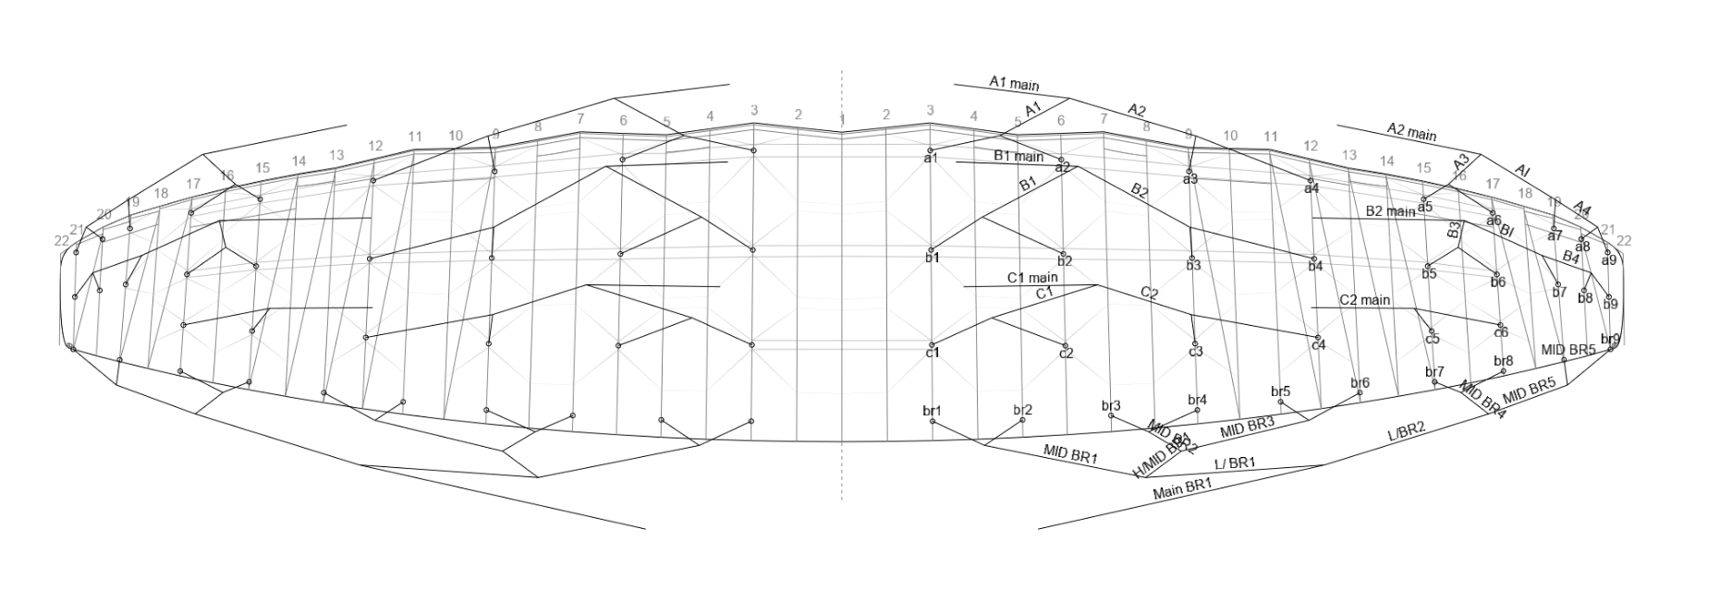
Line Plan | VER : | 3
 | UPDATED : | 2025-08-24

